Sheet1
Try C#
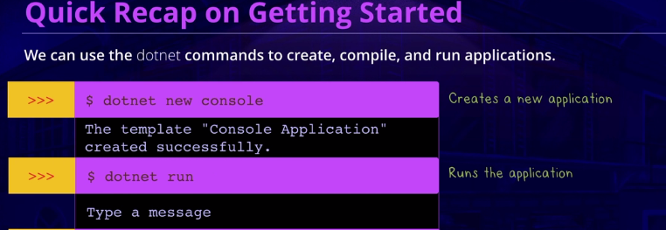

 |  |  | dotnet new console

 |  |  | dotnet run

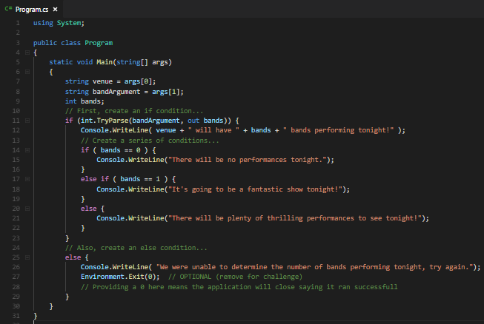
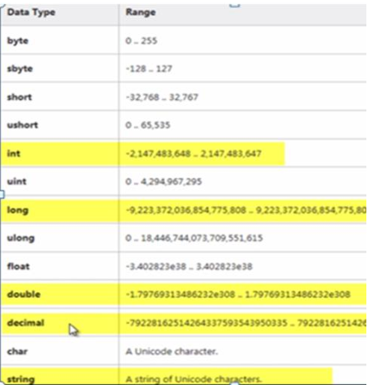
DATATYPES |  |  |  | CONDITIONALS
 |  |  |  | if condition
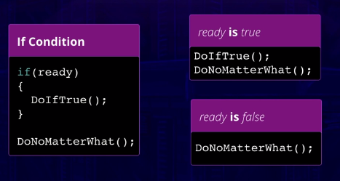

 |  |  |  |  |  |  |  |  | int.TryParse( inputString, out outputInt ) to try to parse, returns true or false

 |  |  |  | else condition
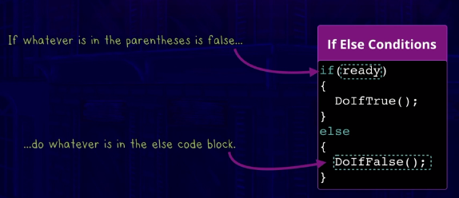

 |  | int.Parse() to convert from string to int
 |  | int.TryParse( inputString, out outputInt ) to try to parse, returns true or false
bool | true / false

 |  |  |  |  |  |  |  |  | Environment.Exit()
 |  |  |  | else if condition
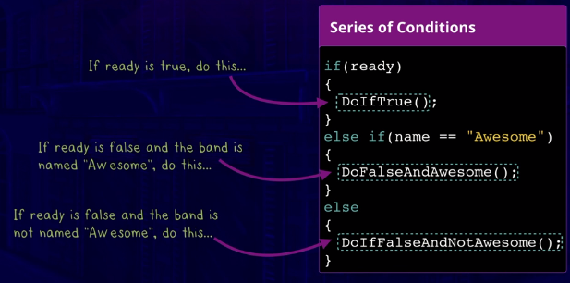

Getting Classy with C#

Level 1
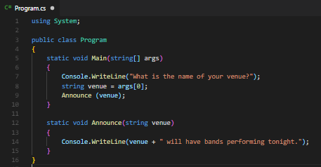

 |  |  | static : keyword can be applied to a variable, method or class. It has only one instance per class, the counter is shared. In instances the counter resets.
 |  |  | the advantage of static is, when public, they can be used by other classes without having to create an instance of the class

Level 2
Classes and Objects |  |  | Instance |  | Namespace |  |  | Using directive : using System; | givesaccess to our System Namespace, letting our Compiler know where to find Console
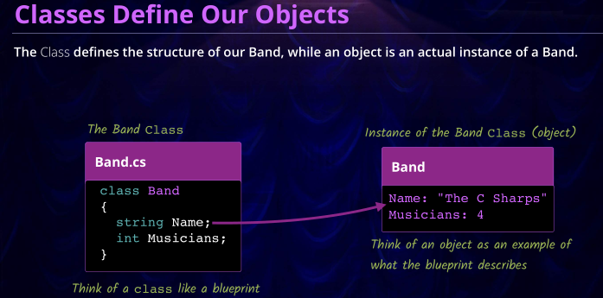
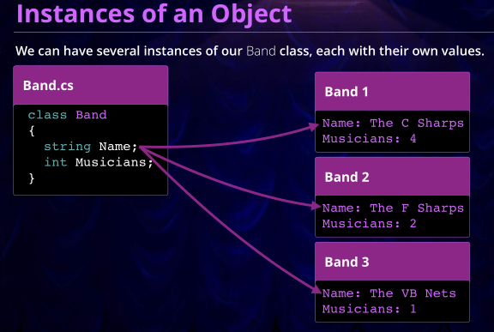
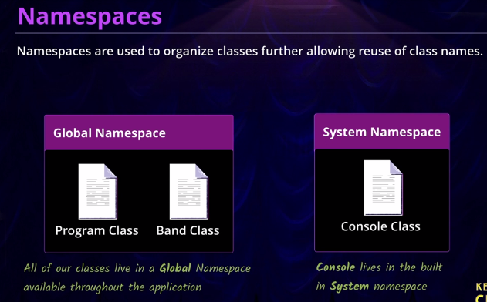
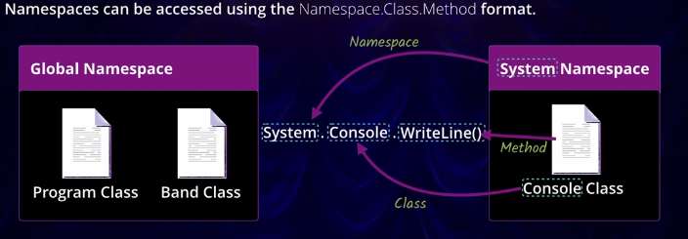
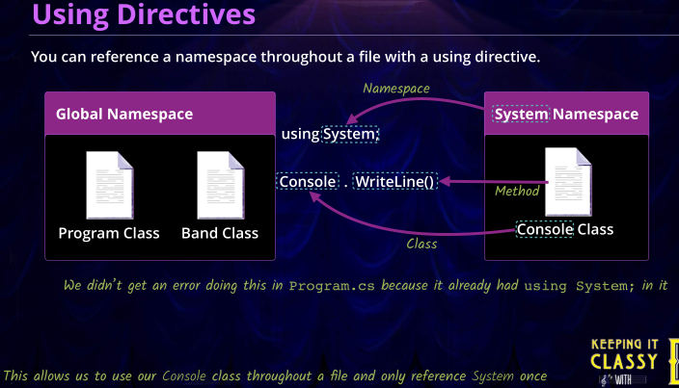

 |  |  | create an instance of an object
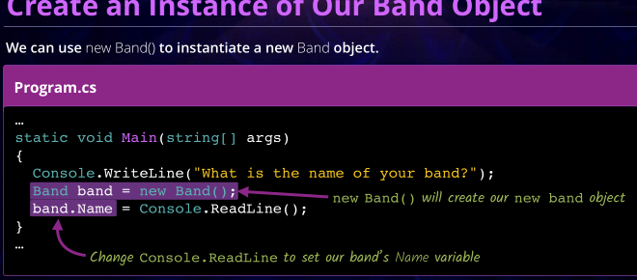

 |  |  |  | ClassName variableName = new ClassName()
 |  |  |  | Or use var : var variableName = new ClassName()

 |  |  | object initializer
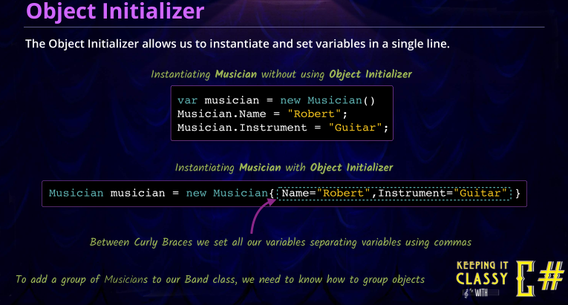

Access Modifiers / Encapsulation |  | private (default) , protected, internal, public,
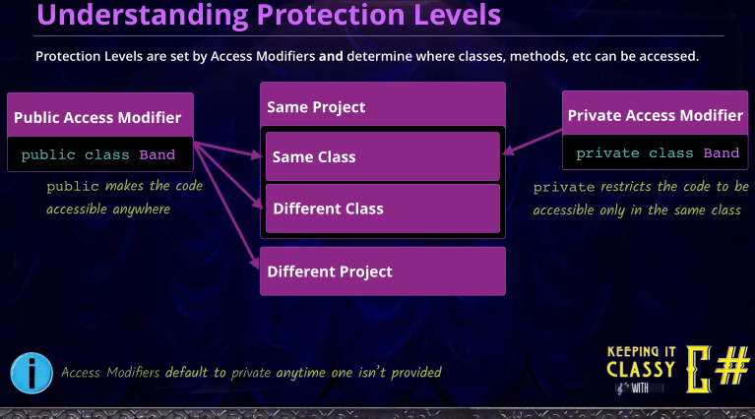
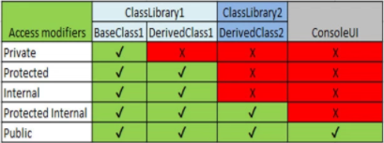

Level 3

Groups of Objects |  | https://docs.microsoft.com/en-us/dotnet/csharp/programming-guide/arrays/single-dimensional-arrays |  |  | arrayType[] arrayName = new arrayType[fixed size]
 | Arrays [fixed size] | arrayType[] arrayName = new arrayType[fixed size] |  | Lists <variying size> | List<listType> listName = new List<listType>() |  | empty
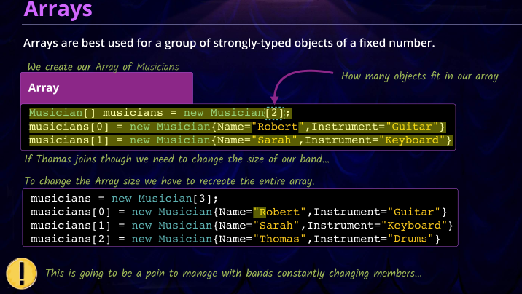
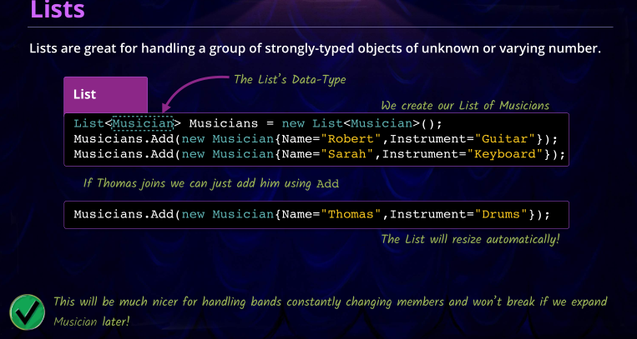
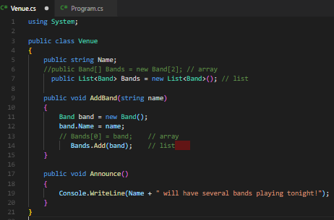
 |  |  |  |  |  |  |  |  | Venue.cs
 |  |  |  |  |  | need directive using.System.Collections.Generic;

 |  |  |  |  |  |  |  |  |  | array declaration
 |  |  |  |  |  |  |  |  |  | list declaration

 |  |  |  |  |  |  |  |  |  | defining array
 |  |  |  |  |  |  |  |  |  | adding to list

